Cover Page
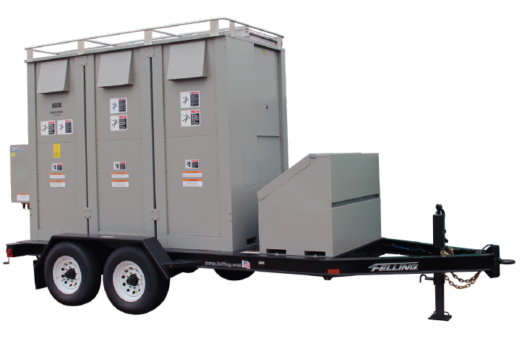
Load Bank Ownership Analysis
Prepared by - Jason Keyser
With help from Chuck Lowther and Aaron Milton
property of CPGBeyond.inc

Purpose: | Quantify the costs of owning a fleet of Load Banks and comparing them to the costs of renting for each Data Center project.

Maintenance
Load Bank Regular Maintenance Labor Portion

Every 50 Hours of Operation or 6 Months (Whichever Comes First)
Check the tightness of the electrical connections. The expansion and contraction caused by Load Bank operation may result in loose connections. The vibrations caused by the cooling fan may also loosen electrical connections. If the Load Bank is transported “over the road”, the electrical connections should be checked for tightness at a shorter-than-normal time interval.
Source: https://www.simplexdirect.com/Services-Support/load-bank-maintenance-schedules.aspx
Labor Category | No. Staff | # LBs Serviced Ann. | Total Hours | Hourly Rate | Labor Cost | Grease Cost | Total Cost
 |  |  |  | Rate from C09 Estimate
OTS - Controls Tech | 1 | 88 | 44 | $58.86 | $2,575.91 | $1,169.02 | $3,744.93
 |  |  | 44 | Total Labor Cost |  |  | $3,744.93
 |  |  | Total Hrs

 |  |  |  | Motor Lubricant Cost
Hours Required to Service 1 LB | 0.50 |  |  | Recommended Brand | MOBIL Polyrex EM
# of Burn hours until Service Required | 50 |  |  | Cost of Bottle 14 oz | $110.00
# of LBs need Serviced per year | 88 |  |  | Ounces per LB | 2
 |  |  |  | Cost per LB | 13.36

Load Bank Accessory Replacement Portion

Burn Hrs until cable needs replaced | Brn Hrs per Lb | # of new cables |  | Cost of 4/o Cable | Total Cost

15 | 64 | 4 |  | $592.47 | $2,541.81
 |  |  |  | Total Labor Cost | $2,541.81
 |  |  | Total Hrs

Load Bank Special Maintenance Portion

Labor Category | No. Staff | # LBs Serviced Ann. | Total Hours | Hourly Rate | Labor Cost | Parts | Total Cost
 |  |  |  | Rate from C09 Estimate
OTS - Controls Tech | 1 | 68 | 204 | $58.86 | $12,008.36 | $142,966.60 | $154,974.96
 |  |  | 204 | Total Labor Cost |  |  | $154,974.96
 |  |  | Total Hrs

"Power system specialists recommend testing the generator systems once a year at full load with a load bank. The National Fire Protection Associations NFPA Code 110 Standard for Emergency and Standby Power Systems, 2005 Edition, specifies load bank testing for EPSS as a requirement by law where life safety electrical needs are involved. Section 8.4.2.3 of this code states the generator must be run at a supplemental load of 25% of nameplate rating for 30 minutes, followed by 50% of nameplate rating for 30 minutes, followed by 75% of nameplate rating for 60 minutes, for a total of two continuous hours."
Source: https://www.primepower.com/blog/maintenance-load-bank-testing-of-standby-gensets-preventive-maintenance-practice-for-epss#:~:text=Load%20bank%20testing%20of%20standby%20gensets%20is%20a%20preventive%20maintenance,operation%20during%20utility%20power%20failure.
% of full load | Length of Test (hrs)
25% | 0.5
50% | 0.5
75% | 1
Total Hours to Test 1 Generator | 2

Gens Tested Per Week On Site (Per Lb) | 2
Weeks * Loadbanks in One year | 1094
Load Bank Burn Hours per Year | 4376
Burn Hours per LB per Year | 64.35

Burn Hours Before Major Maintenance Required | 500.00
Lifespan of LB in Years | 7.77
Special Maintenance Cycle yrs | 7

% of fleet needing significant maintenance | 100%
Hours Required to Service 1 LB | 3.00
Parts cost as % of purchase price | 0.10

Burn Hours associated with rental | 1656
% of total Burn hours | 38%

Total Maintenance Cost Associated with Rental | $10,757.20

US Data Center Statistics
Frequency of Data Center Sizes
Mega Watts | Amount | % of Whole | % of all < 25 Mw | Source For Data | https://www.datacente.rs/
0 to 5 | 61 | 35% | 42%
5 to 10 | 27 | 16% | 19%
This Frequency chart is a part of a larger analysis I did on US Data Center statistics. Contact me for more info on this data. - Jason Keyser
10 to 15 | 29 | 17% | 20%
15 to 20 | 18 | 10% | 13%
20 to 25 | 9 | 5% | 6%
25 to 30 | 6 | 3%
30 to 35 | 3 | 2%
35 to 40 | 1 | 1%
40 to 45 | 1 | 1%
45 to 50 | 1 | 1%
50 to 55 | 7 | 4%
55 to 60 | 0 | 0%
60 to 65 | 3 | 2%
65 to 160 | 7 | 4%
Total | 173

